1. Title Page
[Project Name]

Project Name: Instacart grocery Basket Analysis
Date: 12/09/2024
Analyst Name: Imane Chehah

Contents:
Population Flow
Consistency checks
Wrangling steps
Column derivations
Visualizations
Recommendations

2. Population Flow
Title page

Population flow

Orders_products_combined
Orders_products_merged
Orders_products_all

Total: 32,404,859
Total:32434489
Total: 32,404,859

1.) The grey boxes in the first row of the population flow represent the original data sets as they were when you downloaded them. In the Total fields you need to add the count of the rows when you imported the data set into Jupyter.
2.) The second row of boxes (coloured) represents the data sets after you manipulated them, e.g., removed missing values and duplicates. In the Total fields you need to add the count of the rows after conducting these operations. This offers a visual oveview of how the data flows throughout the data consistency checks.
3.) The third row, where also the arrows are coloured, represents the merges you performed between the datasets. In the Total fields you need to add the count of the rows in the merged datasets, so that you end up with the final dataset (in the red box). Keep in mind the final dataset should be without exclusions (based on the exclusion flag).

3. Consistency checks
 |  |  |  |  | Title page
Consistency checks

Dataset | Missing values | Missing values treatment | Duplicates
orders | the only column with missing values is the "product_name" column, and it’s missing 16 values. | #Creating a new DataFrame df_prods_clean that contains only the rows where product_name is not null. | The 5 duplicates have been successfully deleted! | Clearly it is an error and not an expensive product 'Milk'?!, we can remove it..
products | The only column with missing values is the "days_since_prior_order" column, and it’s missing 206209 values | The "days_since_prior_order" column likely represents the number of days since a user's last order. The missing values in this column explained by the following reasons: First-Time Orders: if a user places an order for the first time, there wouldn't be any prior data to calculate the gap in days between orders. we let them as NaN to indicate the absence of prior order data | there are no duplicate
orders_products_prior | 0 | No Missing Values | 0
customers | 0 | No Missing Values | 0

4. Wrangling steps
 |  |  |  | Title page
Wrangling steps

 |  |  |  | # 1. Convert all 'object' and 'category' columns to 'category' dtype
Columns dropped | Columns renamed | Columns' type changed | Comment/Reason | ords_prods_merge[ords_prods_merge.select_dtypes(include=['object', 'category']).columns] = ords_prods_merge.select_dtypes(include=['object', 'category']).apply(lambda x: x.astype('category'))
eval_set |  |  | not necessary for analysis; dataset orders
 |  | order_id | from int to string, orders | # 2. Convert 'int64' columns to 'int32' if within range
 |  | user_id | from int to string, orders | ords_prods_merge[ords_prods_merge.select_dtypes(include=['int64']).columns] = ords_prods_merge.select_dtypes(include=['int64']).apply(lambda x: x.astype('int32') if x.min() > np.iinfo(np.int32).min and x.max() < np.iinfo(np.int32).max else x)
 | index |  | transposed dataset and added an index and new header. Department
 |  | order_number | from int to string, orders | # 3. Convert all 'float64' columns to 'float32'
Unnamed: 0 |  |  | unnecessary column in product data | ords_prods_merge[ords_prods_merge.select_dtypes(include=['float64']).columns] = ords_prods_merge.select_dtypes(include=['float64']).astype('float32')
Unnamed: 0 |  |  | unnecessary column in combined data
_merge |  |  | unnecessary column in combined data | I encountered a significant issue when attempting to merge the two datasets, as I ran into a memory error. To resolve this, I decided to switch browsers and optimize the data types in the datasets before performing the merge
 | First Name |  | to First_Name
 | Surnam |  | to Last_Name
 | STATE |  | to State
 | date_joined |  | Date_Joined
 | n_dependants |  | Number_of_Dependents
 | fam_statu |  | Family Status
 | income |  | Income

5. Column derivations
 |  |  |  | Title page

Column derivations and aggregations

Dataset | New column | Column/s it was derived from | Conditions
df_ords_prod | price_label | pricing | #defining price_label column def price_label(row): if row['prices'] <= 5: return 'Low-range product' elif (row['prices'] > 5) and (row['prices'] <= 15): return 'Mid-range product' elif row['prices'] > 15: return 'High range' else: return 'Not enough data'
df_ords_prod | busiest_day | Order_dow | # Use for-loop to determine whether orders are on "busiest day" result = [] for value in df_ords_prods["order_dow"]: if value == 0: result.append("Busiest day") elif value == 4: result.append("Least busy") else: result.append("Regularly busy")
df_ords_prod | busiest_days | Order_dow | #Use loop for the update result_2 = [] for value in df_ords_prods["order_dow"]: if value == 0 or value == 1: result_2.append("Busiest days") elif value == 4 or value == 3: result_2.append("Slowest days") else: result_2.append("Regularly busy")
df_ords_prod | busiest_period_of_day | order_hour_of_day | # Initialize an empty list to store the categories hour_categories = [] # Categorize each hour based on the provided conditions for value in df_ords_prods["order_hour_of_day"]: if value in [10, 11, 14, 15, 13]: hour_categories.append("Most orders") elif value in [12, 16, 9, 17, 8, 18]: hour_categories.append("Average orders") else: hour_categories.append("Fewest orders") # Add the new column to the DataFrame df_ords_prods['busiest_period_of_day'] = hour_categories # Verify the new column print(df_ords_prods['busiest_period_of_day'].value_counts())
ords_prods_merge | max_order | order_number and 'user_id' | # Creating a new column ords_prods_merge['max_order'] = ords_prods_merge.groupby(['user_id'])['order_number'].transform('max')
ords_prods_merge | loyalty_flag | prices | #create a flag that assigns a “loyalty” label to a user ID based on its corresponding max order value. ords_prods_merge.loc[ords_prods_merge['max_order'] > 40, 'loyalty_flag'] = 'Loyal customer' ords_prods_merge.loc[(ords_prods_merge['max_order'] <= 40) & (ords_prods_merge['max_order'] > 10), 'loyalty_flag'] = 'Regular customer' ords_prods_merge.loc[ords_prods_merge['max_order'] <= 10, 'loyalty_flag'] = 'New customer' ords_prods_merge['loyalty_flag'].value_counts(dropna=False)
ords_prods_merge | average_spend | user_id and prices | # Creating column for average spender ords_prods_merge['average_spend']=ords_prods_merge.groupby(['user_id'])['prices'].transform('mean')
ords_prods_merge | spender_flag | average_spend | # Creating flag for low and high spender ords_prods_merge.loc[ords_prods_merge['average_spend']<10,'spender_flag']='Low_spender' ords_prods_merge.loc[ords_prods_merge['average_spend']>= 10, 'spender_flag'] = 'High_spender'
ords_prods_merge | Customer_frequency | user_id and days_since_prior_order | # Create a column for frequet users ords_prods_merge['Customer_frequency'] = ords_prods_merge.groupby(['user_id'])['days_since_prior_order'].transform('median')
ords_prods_merge | frequency_flag | Customer_frequency | # Creating flag on order frequency ords_prods_merge.loc[ords_prods_merge['Customer_frequency'] > 20, 'frequency_flag'] = 'Non_frequent_customer' ords_prods_merge.loc[(ords_prods_merge['Customer_frequency']>10) & (ords_prods_merge['Customer_frequency']<=20),'frequency_flag'] = 'Regular customer' ords_prods_merge.loc[ords_prods_merge['Customer_frequency'] <= 10, 'frequency_flag'] = 'Frequent Customer'

6. Visualizations
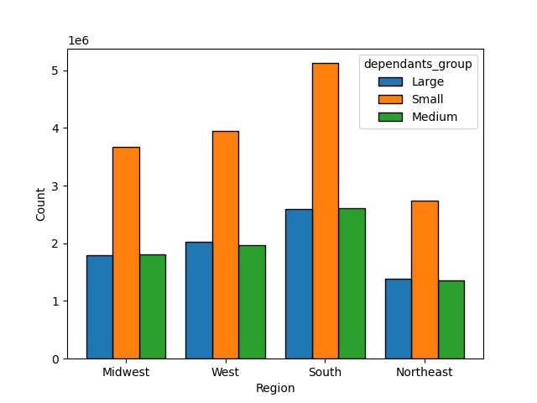
 |  | Title page

Visualisations
 | Key Question
 | Determining whether there’s a connection between age and family situation

Key Question
The sales team needsa histogram of the “order_hour_of_day” column.

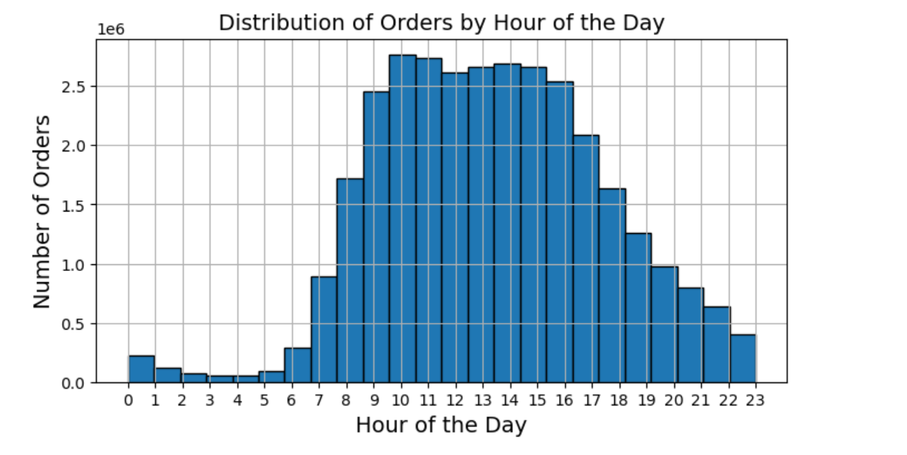

Insights:
-The plot shows the frequency of orders placed during each hour of the day
-The histogram shows a clear peak in the middle of the day,
indicating that most orders are placed between late morning and early afternoon.
-There are fewer orders during the early morning hours (0-6 AM) and late evening (after 8 PM).
--> The busiest hours of the day are 8am-4pm | Insights:
 | The plot exhibits a lot of fluctuations across all age groups. This suggests that there isn't a consistent pattern or trend in the number of dependents as age increases. The number of dependents seems to vary widely across individuals of different ages.
Key Question | There's no evident upward or downward trend in the data --> No clear trend
The marketing team is curious about the distribution of orders among customers in terms of loyalty.
 | Key Question
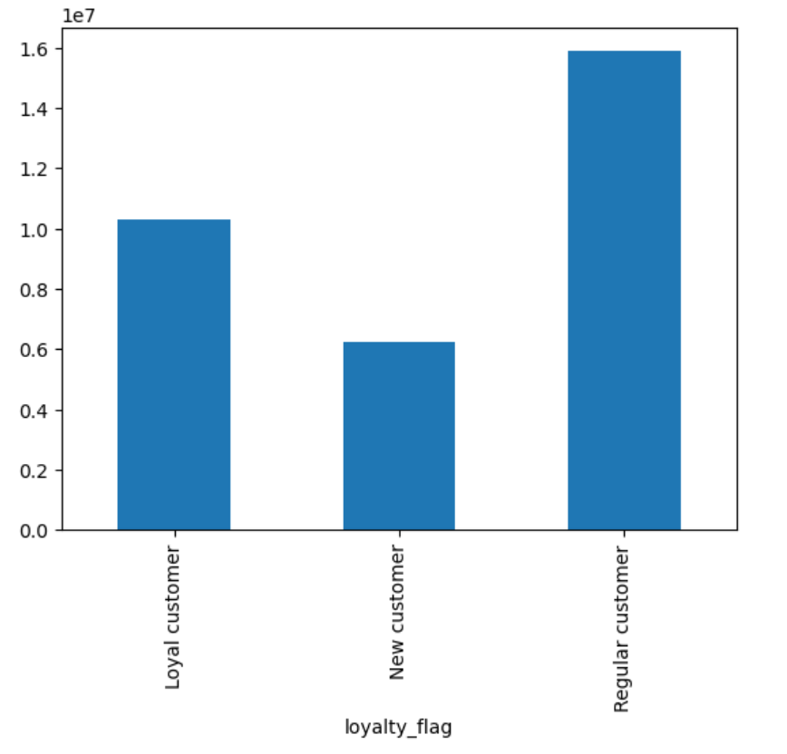
 | Exploring whether there’s a connection between age and spending power (income)
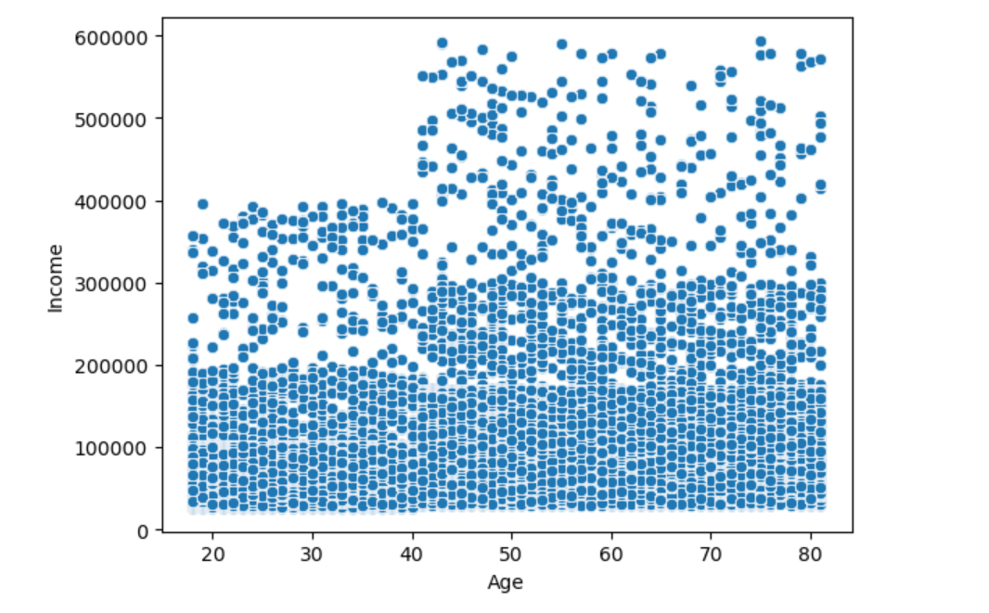

 | Insights :
 | There are two noticeable clusters of income:
 | 1. A dense cluster below the 200,000 income mark, which persists across all age groups.
 | 2. A sparser cluster above 200,000, with incomes ranging up to 600,000. This upper cluster becomes more prominent as age increases, particularly from age 40 onward.

Key Question | Key Question
Checking whether there’s a difference in expenditure depending on the hour of the day | Determining whether there’s a difference in spending habits between the different U.S. regions
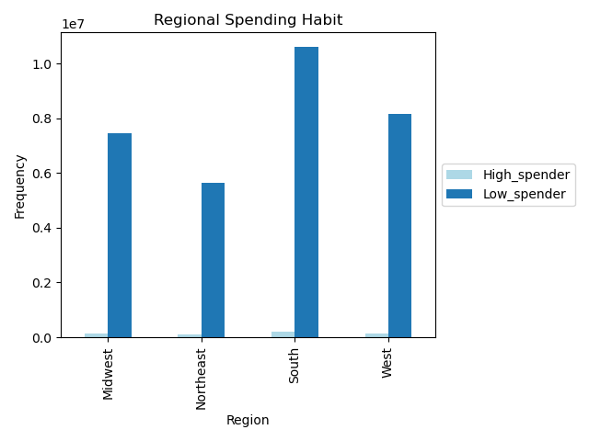
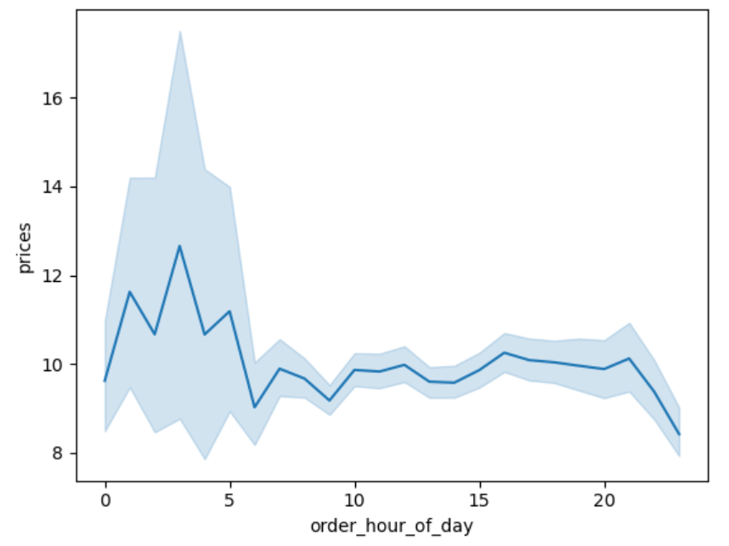

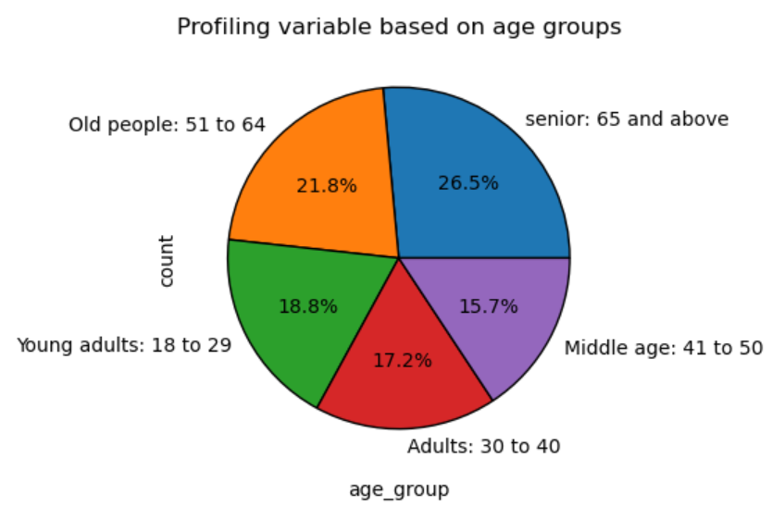
Key Question
Customer profiling based on age | Insights :
 | -Data showing the number of high and low spenders across different U.S. regions
 | -It seems that customers' spending habits, especially distinguishing between high and low spenders, do not exhibit significant variations between different regions. In each region, the number of low spenders aligns with the total number of customers, with the regions ranked as South, West, Midwest, and Northeast. Furthermore, there are no notable differences in the counts of high spenders across these regions.

 | Key Question
 | Customer profiling based on Number of dependents
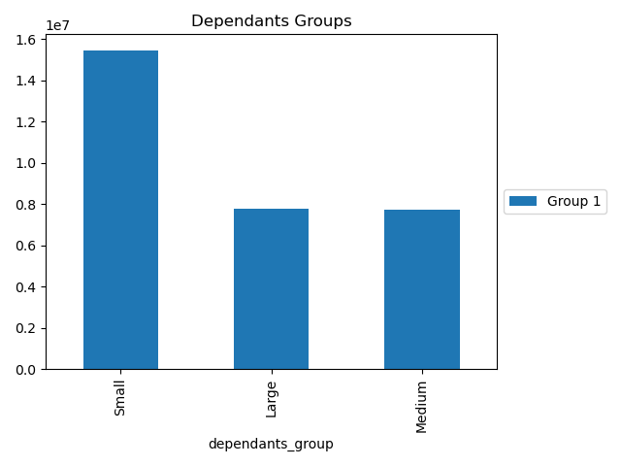

Insights:
Instacart's marketing strategy should focus on:
1. Seniors (65+, 26.5%): Health products, home delivery, wellness, and convenience.
2. Older adults (51-64, 21.8%): Heart-healthy foods, wellness, and family support.
3. Young adults (18-40, 36%): Convenience, affordable, eco-friendly, and trendy products.
4. Middle age (41-50, 15.7%): Family meals, personal care, and stress relief.

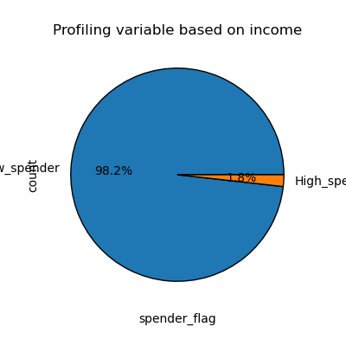
Key Question
Customer profiling based on income

 | Key Question
 | Customer profiling based on Family Status
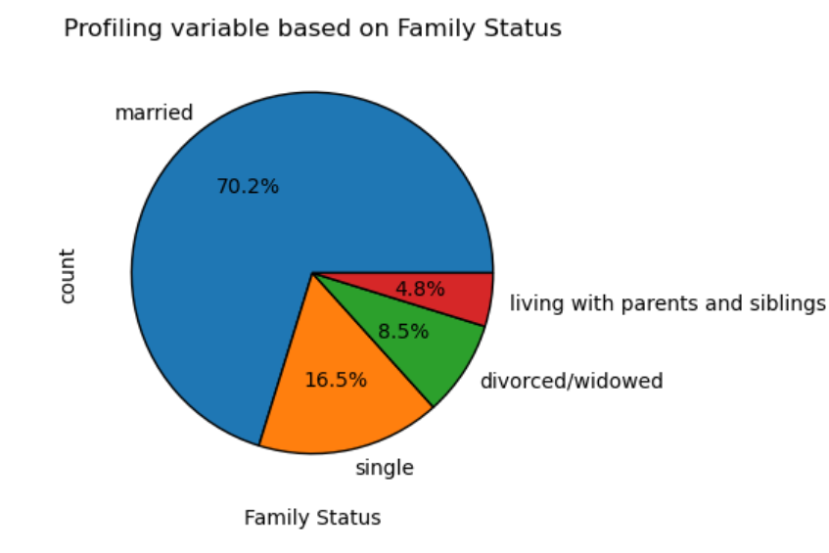

Insights:
Low spenders dominate: Most users are low spenders, with over 30 million entries.
High spenders are few: Only 1.77% of users are high spenders, but they may contribute more value per individual.
Targeting potential: Opportunities exist to boost revenue by encouraging low spenders to spend more
or focusing on the high spenders for greater returns per user.

Key Question | Key Question
bar chart of department orders | Income Groups Behaviors across Departments
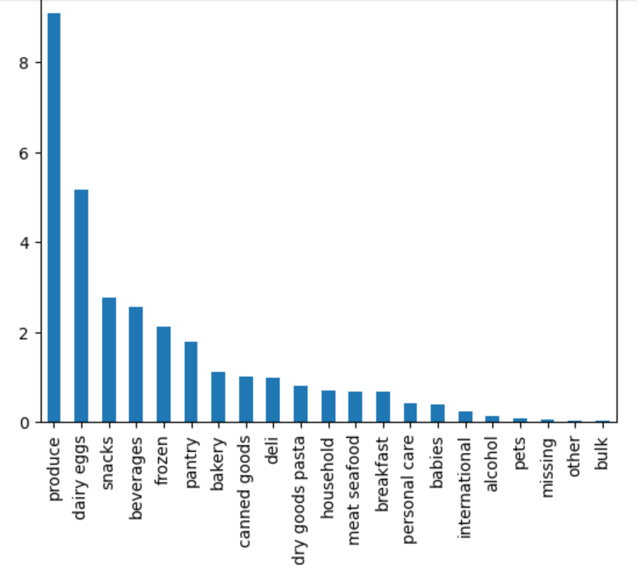
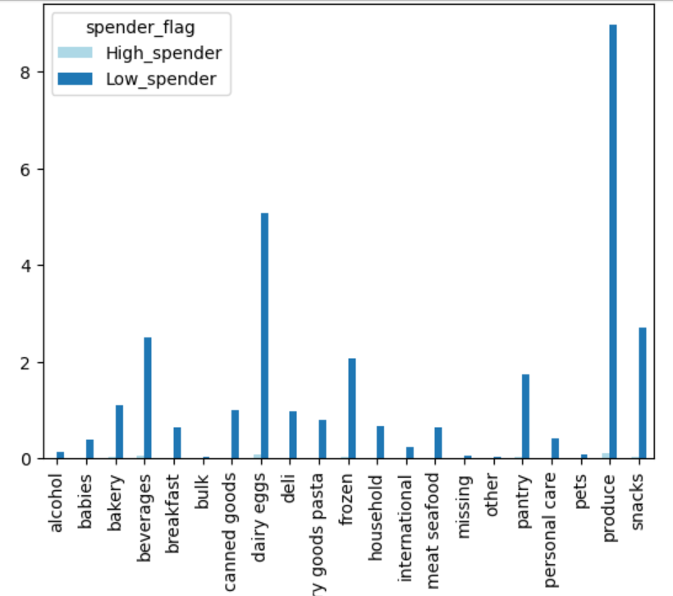

Insights:
The leading departments on Instacart are Produce, Dairy & Eggs, Snacks, Beverages, and Frozen.
Notably, Produce and Dairy & Eggs have the highest order volumes.
Focusing on these two departments could significantly increase sales.
Additionally, examining customer demographics for each department | Key Question
could help in developing targeted advertising strategies to further drive sales growth | Compare customer profiles with regions - Department Groups
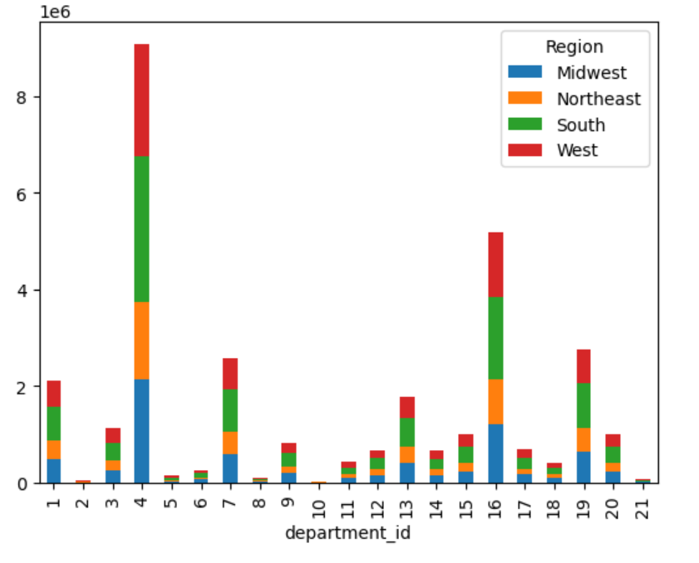
Key Question
Compare customer profiles with regions - Age Groups
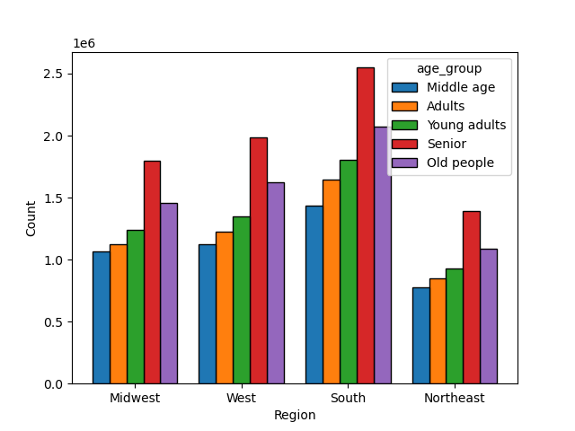

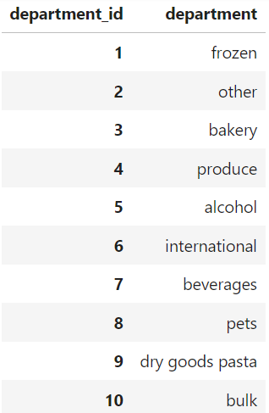
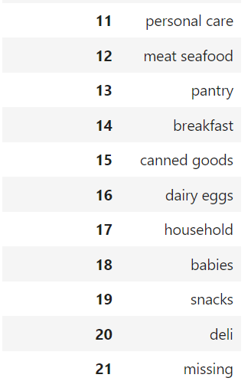

Key Question
Compare customer profiles with regions - dependents

7. Recommendations
 | Title page

Recommendations

Instacart Customer Insights Report
1. Customer Profiling Based on Age
Instacart’s marketing strategies should be tailored according to different age groups to maximize engagement and sales.
Seniors (65+, 26.5%):
Focus on health-related products (vitamins, supplements) and home delivery services.
Marketing messages should emphasize wellness, convenience, and ease of use.
Older Adults (51-64, 21.8%):
Target products that promote heart health, low-calorie foods, and wellness.
Focus on family-oriented support as they are likely caring for elderly parents or grown children.
Young Adults (18-40, 36%):
Prioritize convenience, affordability, and trendy or eco-friendly products.
Utilize social media and app-based interactions for marketing campaigns focused on time-saving solutions and meal kits.
Middle Age (41-50, 15.7%):
Products that balance family needs, work, and personal health will resonate with this group.
Market family meals, self-care products, and home essentials that reduce stress.
2. Customer Profiling Based on Income
Low Spenders Dominate:
The majority of users (over 30 million) are low spenders, while high spenders only represent 1.77% of the population.
There is an opportunity to boost revenue by encouraging low spenders to increase their purchase frequency or spend more per transaction.
High Spenders Are Valuable:
Although high spenders are a small proportion, they may provide higher value per individual. Therefore, focusing on this group could yield greater returns through premium offerings or loyalty programs.
Potential for Revenue Growth:
Instacart should explore strategies to increase spending from low spenders while simultaneously cultivating strong relationships with high spenders by offering exclusive deals or loyalty incentives.
3. Ordering Habits: Time and Frequency
Busiest Hours of the Day:
Most orders are placed between 8 AM and 4 PM, peaking at 10 AM. The least busy period is between 2 AM and 5 AM.
Ads and promotions should be concentrated during peak hours (8 AM to 4 PM) to maximize customer engagement, with specific focus on slower days like Tuesday and Wednesday through early morning discounts or “early bird” deals.
Weekend Peaks:
The busiest times are on Saturday and Sunday, also between 8 AM and 4 PM. Scheduling promotions over the weekend could lead to increased conversions.
4. Customer Demographics and Product Preferences
Top Product Categories:
The leading departments on Instacart are Produce, Dairy & Eggs, Snacks, Beverages, and Frozen food, with Produce and Dairy & Eggs receiving the highest order volumes.
Instacart should offer special promotions or bulk discounts on these popular categories to maintain customer interest.
Tailoring Marketing Efforts:
Examine customer demographics within each department to develop targeted campaigns. For example, seniors may focus on health foods in the produce section, while young adults may prefer snacks and convenience foods.
5. Regional Customer Behavior
Spending Habits by Region:
Spending patterns between high and low spenders do not significantly vary across U.S. regions. The South has the highest number of customers, followed by the West, Midwest, and Northeast.
Targeted campaigns in underperforming regions like the Northeast could stimulate growth, especially by promoting products for smaller households and specific demographics.
6. Brand Loyalty and Customer Retention
Converting New Customers to Loyal Customers:
Instacart should develop incentives, such as welcome promotions and discounts, to convert new users into loyal, repeat customers.
Regular customers could be encouraged to increase their loyalty through rewards programs or special offers for frequent purchases.
Tailored Incentives for High-Spending Customers:
High-income seniors, who consistently spend more, should be targeted with premium loyalty programs, exclusive deals, and targeted marketing campaigns that address their specific needs.
7. Age and Family Status: Impact on Ordering Habits
Middle-Age Focus:
Middle-aged adults are the most frequent Instacart customers, often balancing work, family, and personal needs. Marketing should emphasize convenience for busy families, meal kits, and family-size product bundles.
Target Small Families and Married Couples:
Promotions should cater to married couples, particularly those without dependents or with small families. Customized offers for bulk buying or home essentials could drive engagement and sales.
8. Strategic Recommendations
Increase Spending Among Low Spenders:
Introduce loyalty programs, special offers, and bundle deals to incentivize higher spending from the low spender group.
Capitalize on High-Income Seniors:
High-income seniors should be the focus of premium offerings, exclusive deals, and targeted promotions.
Expand Product Categories:
Improve visibility of underperforming categories such as "Personal Care" and "Pets & Babies" by offering discounts and tailored product recommendations.
Regional Marketing Strategies:
Target growth in underperforming regions like the Northeast by focusing on localized campaigns, bulk product offers, and promoting small family or household solutions.
Conclusion
By tailoring marketing strategies based on customer age, income, and ordering habits, Instacart can more effectively target its diverse customer base. Focusing on both high-income seniors and low spenders, offering time-sensitive promotions, and enhancing brand loyalty will drive sales growth and customer retention across all regions.

